Sheet1
 |  | Document No. | Issue No. | Issue Date |  |  | Review and Replace Date |  | Authorised By
 |  | GFF246MC | 3 | 12.11.2020 |  |  | 11.07.2023 |  | Magda Shah
 |  | Document Title | BOOTHS - DELI-10 Hot & Spicy Bhaji 1000g
Document amendments reason for change |  | Packaging changed (tray & flim)and put labels in high risk if they packed the product on GTR machine. |  | Page 1 of 1 |  | Previous Issue Date |  | 23.12.2021 | Uncontrolled copy unless signed original

COBL4-B10TEB | BOOTHS - DELI |  | HOT & SPICY BHAJI 1000G | CHILLED
STEP 1 |  |  |  |  | STEP 2
 |  |  |  |  | 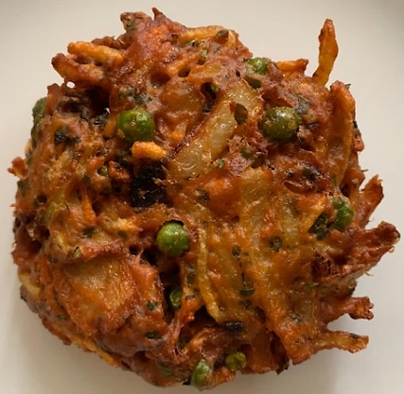

Tray: HW308/60 open ECO tray- (PKLEE001-09) |  |  |  |  | HOT & SPICY BHAJI (GFF334R)-(Hand Made Bhaji ):100g
Film: K Peel RPSM 25µm (340mmX1000lm)-(PKKMP001-05)
STEP 3
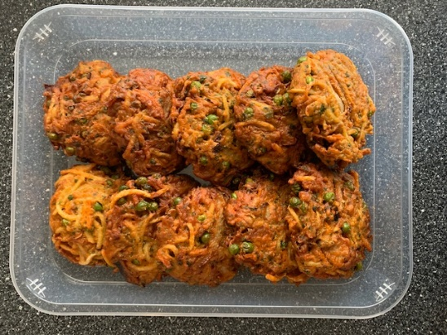 |  |  |  |  | 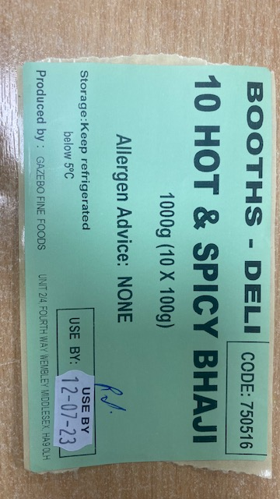 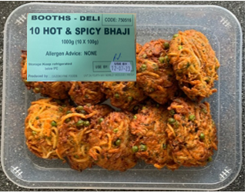

100g X 10 units |  |  |  |  | Booths -deli| Code:750516|10 Hot & Spicy Bhaji
 |  |  |  |  | TOTAL WEIGHT: 1000g
ALLERGY ALERT: NONE

